Sheet1
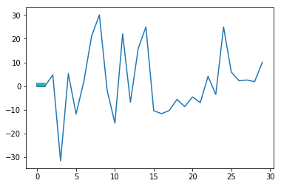
Independent LR Coefficients
Independent LR Coefficients
 |  | LR from Scratch | Sklearn
diagnosis
radius_mean | 1 | 5.69E-03 | 0
texture_mean | 2 | 7.61E-03 | 0.76736753 2
perimeter_mean | 3 | 4.73E+00 | 0.88072182
area_mean | 4 | -3.16E+01 | 1.08868283
smoothness_mean | 5 | 5.24E+00 | -0.21171369
compactness_mean | 6 | -1.18E+01 | 0.56271732
concavity_mean | 7 | 1.96E+00 | 1.65507951
concave points_mean | 8 | 2.11E+01 | 2.3801738
symmetry_mean | 9 | 3.00E+01 | 0.05063709
fractal_dimension_mean | 10 | -1.78E+00 | -1.35163547
radius_se | 11 | -1.56E+01 | 1.30820305
texture_se | 12 | 2.21E+01 | -0.37106399
perimeter_se | 13 | -6.83E+00 | 1.02123346
area_se | 14 | 1.58E+01 | 0.89909179
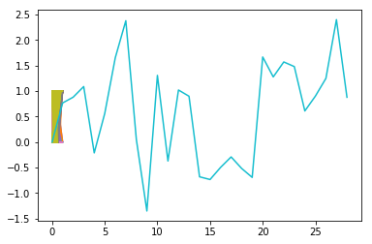
smoothness_se | 15 | 2.50E+01 | -0.68090788
Scikit-learn
Scikit-learn
compactness_se | 16 | -1.04E+01 | -0.73428073
concavity_se | 17 | -1.16E+01 | -0.49595529
concave points_se | 18 | -1.03E+01 | -0.29101703
symmetry_se | 19 | -5.64E+00 | -0.51694224
fractal_dimension_se | 20 | -8.68E+00 | -0.69255944
radius_worst | 21 | -4.57E+00 | 1.66881075
texture_worst | 22 | -7.02E+00 | 1.27819432
perimeter_worst | 23 | 4.11E+00 | 1.57163635
area_worst | 24 | -3.52E+00 | 1.48066087
smoothness_worst | 25 | 2.50E+01 | 0.6106672
compactness_worst | 26 | 5.90E+00 | 0.90128994
concavity_worst | 27 | 2.25E+00 | 1.2486092
concave points_worst | 28 | 2.57E+00 | 2.40210721
symmetry_worst | 29 | 1.84E+00 | 0.87914931
fractal_dimension_worst | 30 | 1.01E+01

 |  | Positive Coefficients
radius_mean | 1 | 5.69E-03 | 5.69E-03
texture_mean | 2 | 7.61E-03 | 7.61E-03
perimeter_mean | 3 | 4.73E+00 | 4.73E+00
area_mean | 4 | -3.16E+01 | -3.16E+01
smoothness_mean | 5 | 5.24E+00 | 5.24E+00
compactness_mean | 6 | -1.18E+01 | -1.18E+01
concavity_mean | 7 | 1.96E+00 | 1.96E+00
concave points_mean | 8 | 2.11E+01 | 2.11E+01
symmetry_mean | 9 | 3.00E+01 | 3.00E+01
fractal_dimension_mean | 10 | -1.78E+00 | -1.78E+00
radius_se | 11 | -1.56E+01 | -1.56E+01
texture_se | 12 | 2.21E+01 | 2.21E+01
perimeter_se | 13 | -6.83E+00 | -6.83E+00
area_se | 14 | 1.58E+01 | 1.58E+01
smoothness_se | 15 | 2.50E+01 | 2.50E+01
compactness_se | 16 | -1.04E+01 | -1.04E+01
concavity_se | 17 | -1.16E+01 | -1.16E+01
concave points_se | 18 | -1.03E+01 | -1.03E+01
symmetry_se | 19 | -5.64E+00 | -5.64E+00
fractal_dimension_se | 20 | -8.68E+00 | -8.68E+00
radius_worst | 21 | -4.57E+00 | -4.57E+00
texture_worst | 22 | -7.02E+00 | -7.02E+00
perimeter_worst | 23 | 4.11E+00 | 4.11E+00
area_worst | 24 | -3.52E+00 | -3.52E+00
smoothness_worst | 25 | 2.50E+01 | 2.50E+01
compactness_worst | 26 | 5.90E+00 | 5.90E+00
concavity_worst | 27 | 2.25E+00 | 2.25E+00
concave points_worst | 28 | 2.57E+00 | 2.57E+00
symmetry_worst | 29 | 1.84E+00 | 1.84E+00
fractal_dimension_worst | 30 | 1.01E+01 | 1.01E+01

